Instructions Sheet
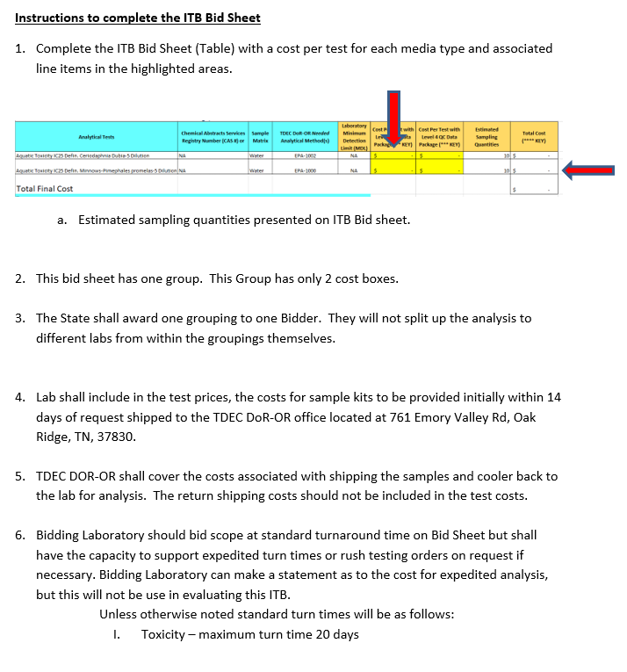
TDEC DoR-OR Invitation To Bid (ITB) - Attachment 1
Instructions Sheet
 | Instructions for ITB Bid Sheet

Estimated Sampling Quantities
TDEC DoR-OR Invitation To Bid (ITB)
ITB Bid Sheet
 |  | Division of Remediation, Oak Ridge Office (DoR-OR)
 | 761 Emory Valley Rd. | 865-481-0995
Group | Analysis Type | Basic Method | Media that may be sampled (estimated quantity of samples annually)
 |  |  | air filters | biota | fish tissue | milk | sediment | sludge | solids | vegetables | waste | water
6 | Aquatic Toxicity IC25 Defin. Ceriodaphnia Dubia-5 Dilution | EPA-1002 |  |  |  |  |  |  |  |  |  | 10
 | Aquatic Toxicity IC25 Defin. Minnows-Pimephales promelas-5 Dilution | EPA-1000 |  |  |  |  |  |  |  |  |  | 10

