Instructions
Application Instructions
1. Save a copy of this document by selecting "File" and "Save As". Save your document in the follow format: District Name - School Name - Team Name - Recipe Name

2. Complete the "Application" and "Recipe Analyzer Tool" sheets. If you conduct an optional student taste test of your recipe, complete the "Taste Test" tab. The taste test is optional; your team will not be penalized if this tab is not completed. Upload a photo of your dish, insert the photograph of your dish in the "Recipe Photo" sheet. You may also submit your photo separately via email. Many cells on this sheet have been locked from editing. All unlocked cells may be typed in without difficulty except the "Digital Signature" cell, see below for instructions. If you encounter a cell that you believe has been inadvertently locked, please send an email to Lynsey.Paul@tn.gov.

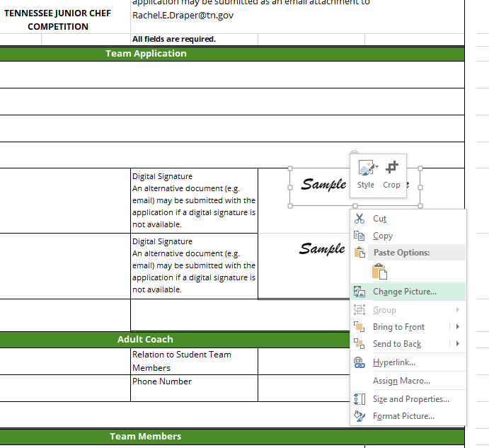
Digital Signature – When seeking approval from your school’s principal and district's school nutrition director to participate in the competition, request a copy of his/her digitized signature and save it as an image (JPEG, PNG, GIF, TIF, etc.). If no digitized signature is available, you may submit an email confirmation of your principal’s approval along with your application. To place the digitized signature in the application:
1. Right click on the “Sample Signature” image 2. Select “Change Picture” 3. If required, select the “From File” option 4. Double click on saved image of the digitized signature or select and click “insert” to insert the image in the application.

3. Refer to the general application instructions for helpful tips when completing the application. This document is available on the Tennessee Department of Education School Nutrition website.

4. Submit a copy of the completed Excel application and the picture of the final dish (either inserted in the Recipe Photo sheet in this Application or via email) to Lynsey.Paul@tn.gov by January 19, 2024. Please title the email "Junior Chef Competition Entry for District Name - School Name - Team Name."

This program was adapted from the Georgia Student Chef Competition. School Nutrition Operations Unit, Georgia Department of Education, 2019.

